Sheet1
BUG REPORT

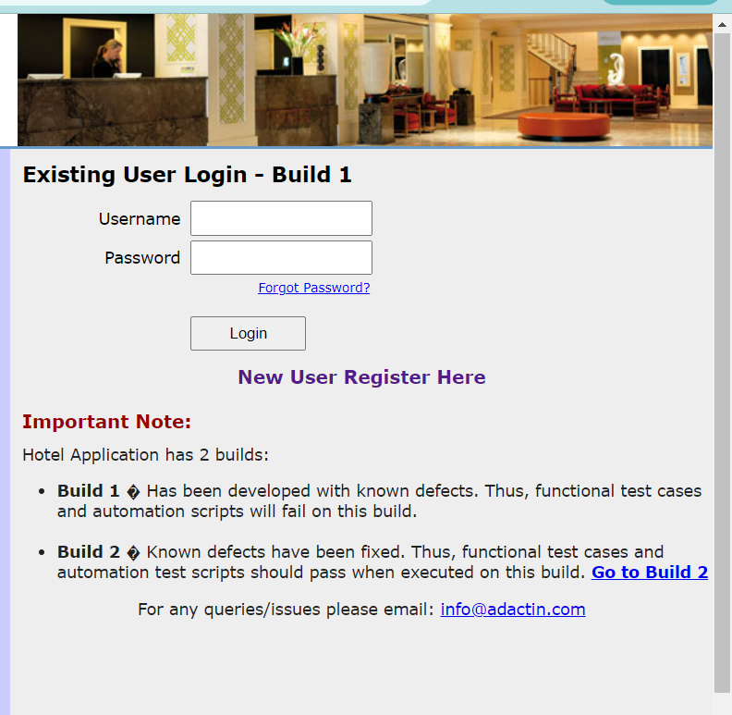
Category | Label | Value
Bug ID | ID Number | #2
 | Name | Comments Bug
 | Reporter | Meera Alkhatib
 | Submit Date | 2024-05-23
Bug Overview | Summary | The issue is that the developer's comments are appearing in the website
 | URL | https://adactinhotelapp.com/
 | Screenshot
Environment | Platform | Web
 | Operating System | Windows 11 Version 21H2 (OS Build 22000.2176)
 | Browser | Google Chrome Version 124.0.6367.63 (Official Build) (64-bit)
Bug Details | Steps to reproduce | 1. Open the https://adactinhotelapp.com/ , 2. Observe develpoer's comments in the login page
 | Expected Result | Login page with username and password fields
 | Actual Result | Developer's comments are appearing in the login page
 | Description | As a student, I noticed that the comments the developer wrote are appearing in the login page, which is unexpected because comments are supposed to be visible to other developers in the code only. This issue affects the user experience and should be resolved to ensure proper functionality.
Bug Tracking | Severity | Medium
 | Assigned to | Development Team
 | Priority | High
Notes | Notes | Please fix this issue as soon as possible to ensure a seamless login process for our users!

